Dashboard
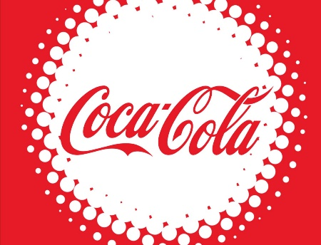
Coca-Cola USA Retailer Dashbaord
Figure in USD

Total Sales
$1,945,929
Unit Sold
$3,683,760
Avg Price
$0.52
Total Operation Profit
$708,885.50

Sales 2022
Sales 2023
Variance
Brand
Sale by Bevarage Brand
Sales 2022
Sales 2023
Variance
Retailer
Sale by Retailer

Coca-Cola | 383,790.40 | 1,444,166.90 | 1,060,376.50 | Amazon | 276210 | 669653.1 | 393443.1
Dasani Water | 374,319.20 | 1,256,499.90 | 882,180.70 | BevCo | 268260.4 | 1160420.4 | 892160
Diet Coke | 349,468.50 | 1,080,956.10 | 731,487.60 | FizzyCo | 46334.1 | 1351682.2 | 1305348.1
Fanta | 259,881.10 | 736,911.90 | 477,030.80 | Target | 0 | 1078108.8 | 1078108.8
Powerade | 274,201.80 | 837,159.10 | 562,957.30 | Walmart | 339912.5 | 281007.1 | -58905.4
Sprite | 304,268.40 | 910,154.70 | 605,886.30 | West Soda | 1015212.4 | 1724977 | 709764.6
Grand Total | 1,945,929.40 | 6,265,848.60 | 4,319,919.20 | Grand Total | 1,945,929.40 | 6,265,848.60 | 4,319,919.20
Sales and Operating Profit Margin by Quater

 | Sum of Total Sales | Average of Operating Margin
Qtr1 | 692776.1 | 0.40174683544
Qtr2 | 530638.3 | 0.39436734694
Qtr3 | 505797.1 | 0.40399239544
Qtr4 | 216717.9 | 0.39216216216

Credit: Abdullah

